INSTRUCTIONS & SIZE CHARTS
QUICK INSTRUCTIONS

1 | How to complete the table - example below.
2 | Please insert rows if extra sizes are required - remember to update the total formula.
3 | Please insert columns if extra numbers are required - remember to update the total formula.
4 | New Tabs/Sheets can be inserted if extra teams are needed or seperated.
5 | Jersey Numbers can be altered to suit

FAQ's | Please call the office on 02 4365 5529 if you have any questions regarding the order form.

LOGO PLACEMENTS

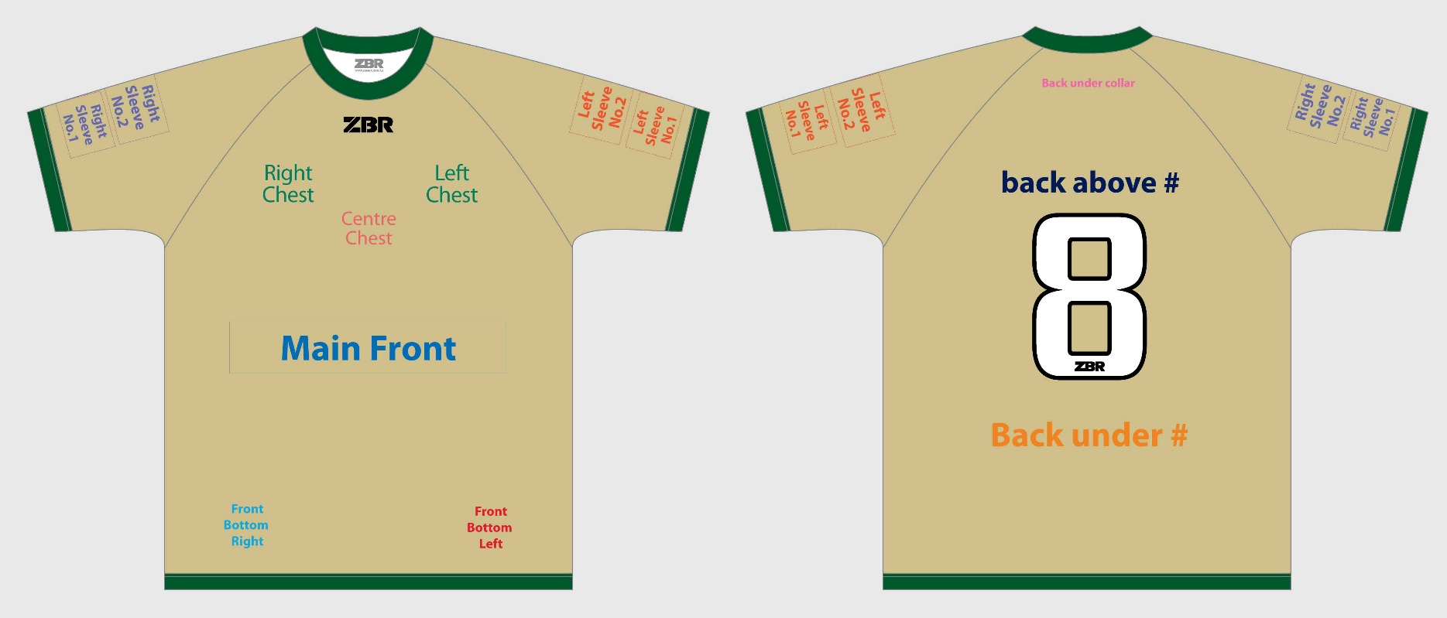
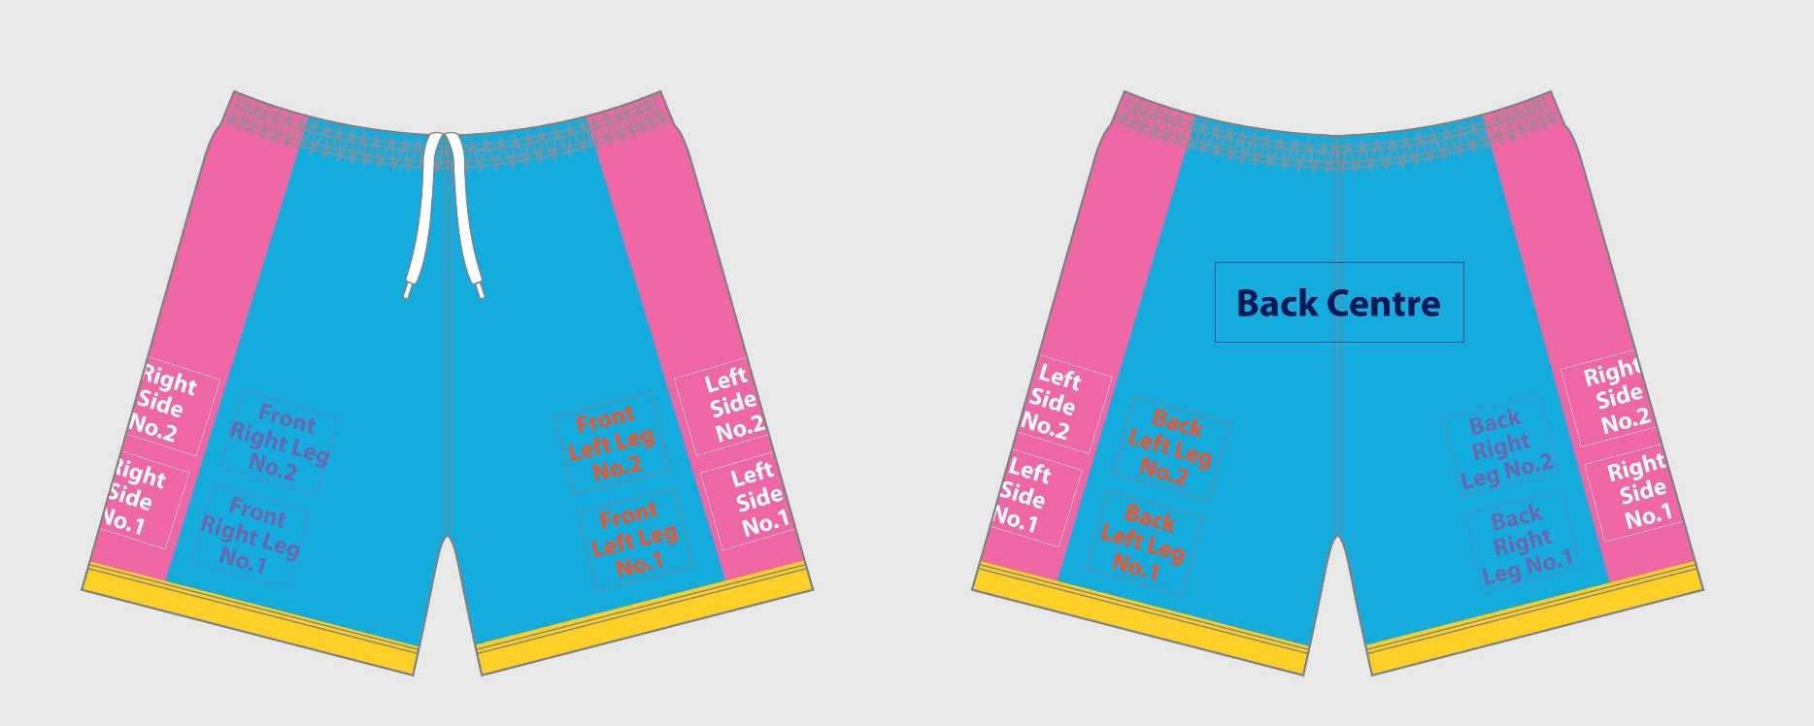

EXAMPLE: HOW TO COMPLETE

TEAM |  |  |  |  |  |  |  |  |  |  |  |  |  |  |  |  |  |  |  |  |  |  |  |  |  |  |  | TEAM - KEEPER
Size | #1 | #2 | #3 | #4 | #5 | #6 | #7 | #8 | #9 | #10 | #11 | #12 | #13 | #14 | #15 | #16 | #17 | #18 | #19 | #20 | #21 | #22 | #23 | #24 | #25 | Total |  | Size | #1 | #20 | Total
Size 4Y |  |  |  |  |  |  |  |  |  |  |  |  |  |  |  |  |  |  |  |  |  |  |  |  |  | 0 | Size 4Y | Size 4Y |  |  | 0 | Size 4Y
Size 6Y |  |  |  | 1 | 1 |  |  | 1 |  | 1 | 1 |  |  |  |  |  |  |  |  |  |  |  |  |  |  | 5 | Size 6Y | Size 6Y | 1 |  | 1 | Size 6Y
Size 8Y |  | 1 | 1 |  |  | 1 | 1 |  | 1 |  |  | 1 |  | 1 | 1 |  |  |  |  |  |  |  |  |  |  | 8 | Size 8Y | Size 8Y |  | 1 | 1 | Size 8Y
Size 10Y |  |  |  |  |  |  |  |  |  |  |  |  | 1 |  |  | 1 |  |  |  |  |  |  |  |  |  | 2 | Size 10Y | Size 10Y |  |  | 0 | Size 10Y
Size 12Y |  |  |  |  |  |  |  |  |  |  |  |  |  |  |  |  |  |  |  |  |  |  |  |  |  | 0 | Size 12Y | Size 12Y |  |  | 0 | Size 12Y
Size 14Y |  |  |  |  |  |  |  |  |  |  |  |  |  |  |  |  |  |  |  |  |  |  |  |  |  | 0 | Size 14Y | Size 14Y |  |  | 0 | Size 14Y
Totals | 0 | 1 | 1 | 1 | 1 | 1 | 1 | 1 | 1 | 1 | 1 | 1 | 1 | 1 | 1 | 1 | 0 | 0 | 0 | 0 | 0 | 0 | 0 | 0 | 0 | 15 |  | Totals | 1 | 1 | 2

